Bug Reports
Bug ID | Priority | Severity | Description/Bug Summary | Pre-requisites | Bug Steps | Expected Result | Actual Result | Status | Test Executed By | Browsers/Device | Screenshot/Video Recording
TN-001 | High | Critical | Currency dropdown is non-functional | Access to the website | 1. Navigate to Currency dropdown. 2. Click on the currency dropdown in the top right corner. 3. Select a different currency (e.g., Euro). | The currency should update to the selected option across the website. | The currency remains unchanged, and the prices are still displayed in the default currency (USD). | Open | Rohit Chouhan | Chrome on Windows 10 | 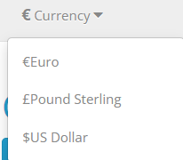
TN-002 | Medium | Major | Currency symbol is missing after changing the currency | Access to the website | 1. Navigate to the website. 2. Click on the currency dropdown and select a different currency (e.g., GBP). 3. Check the price displayed for any product. | The price should be displayed with the correct currency symbol (e.g., £ for GBP). | The price changes to the correct amount, but the currency symbol is missing. | Open | Rohit Chouhan | Firefox on Windows 10
TN-003 | Medium | Minor | Inconsistent spacing and naming format in the currency dropdown menu. | Access to the TutorialsNinja demo e-commerce website. | 1. Navigate to the website. 2. Click on the currency dropdown. 3. Observe the options. | Currency names should have consistent spacing (e.g., "€ Euro"). | Currency symbols are attached directly to the names without spacing. | Open | Rohit Chouhan | Chrome, Firefox, Safari / Desktop
TN-004 | High | Major | Currency dropdown icon alignment issue. The dropdown arrow icon near "$ Currency" is misaligned. | Access to the TutorialsNinja demo e-commerce website. | 1. Navigate to the website. 2. Locate the currency dropdown menu. 3. Observe the dropdown arrow alignment. | The dropdown arrow icon should be properly aligned. | The dropdown arrow icon is slightly misaligned, causing a visual inconsistency. | Open | Rohit Chouhan | Chrome, Firefox, Edge / Desktop
TN-005 | Medium | Minor | Currency symbol ambiguity in the dropdown menu. The "$" symbol can refer to multiple currencies (e.g., US Dollar, Canadian Dollar). | Access to the TutorialsNinja demo e-commerce website. | 1. Navigate to the website. 2. Click on the currency dropdown. 3. Observe the "$" currency option. | The currency should be clearly labeled (e.g., "$ US Dollar"). | The "$" symbol is used without specifying the country, which may confuse users. | Open | Rohit Chouhan | Chrome, Firefox, Safari / Desktop
TN-006 | Low | Trivial | Typographical inconsistency in the currency dropdown menu. The naming format is inconsistent (e.g., "€Euro" vs. "£Pound Sterling"). | Access to the TutorialsNinja demo e-commerce website. | 1. Navigate to the website. 2. Click on the currency dropdown. 3. Observe the naming format. | Currency names should be consistently formatted. | Inconsistent naming format is present in the currency dropdown options. | Open | Rohit Chouhan | Chrome, Firefox, Safari / Desktop
TN-007 | High | Major | Dropdown menu fails to update selected currency in some cases. After selecting a currency, the page does not always reflect the change. | Access to the TutorialsNinja demo e-commerce website. Different currencies available. | 1. Navigate to the website. 2. Select a different currency from the dropdown menu. 3. Observe whether the currency updates across the site. | The selected currency should be reflected immediately across the site. | The currency does not always update after selection, leading to user confusion. | Open | Rohit Chouhan | Chrome, Firefox, Safari / Desktop
TN-008 | Low | Minor | Currency symbol overlaps with product price | Access to the website | 1. Navigate to the website. 2. Change the currency to Yen (¥). 3. Observe the price display on a product listing. | The currency symbol should be properly aligned with the price. | The currency symbol overlaps with the price, making it difficult to read. | Open | Rohit Chouhan | 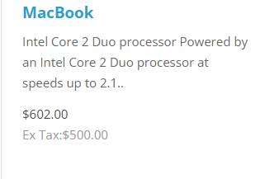 Safari on iPad
TN-009 | Medium | Major | Incorrect currency conversion rate applied | Access to the website | 1. Change the currency from USD to Euro. 2. Compare the displayed product prices with an accurate currency conversion rate. | The conversion should reflect the accurate exchange rate for Euro. | The product prices do not match the current conversion rate, indicating an incorrect rate is applied. | Open | Rohit Chouhan | Edge on Windows 11 | 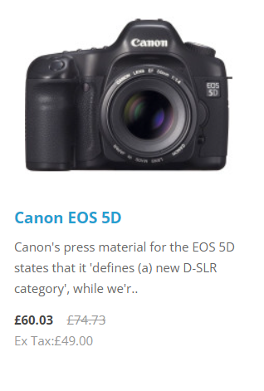
TN-010 | Medium | Major | Not all country currencies are shown in the dropdown menu. | Access to the website | 1. Navigate to the website. 2. Click on the currency dropdown. 3. Scroll through the list of available currencies. | The dropdown menu should list all major country currencies. | The dropdown menu only shows a limited selection of currencies, missing several major ones. | Open | Rohit Chouhan | Chrome on Windows 10

